Intro + Disclaimer
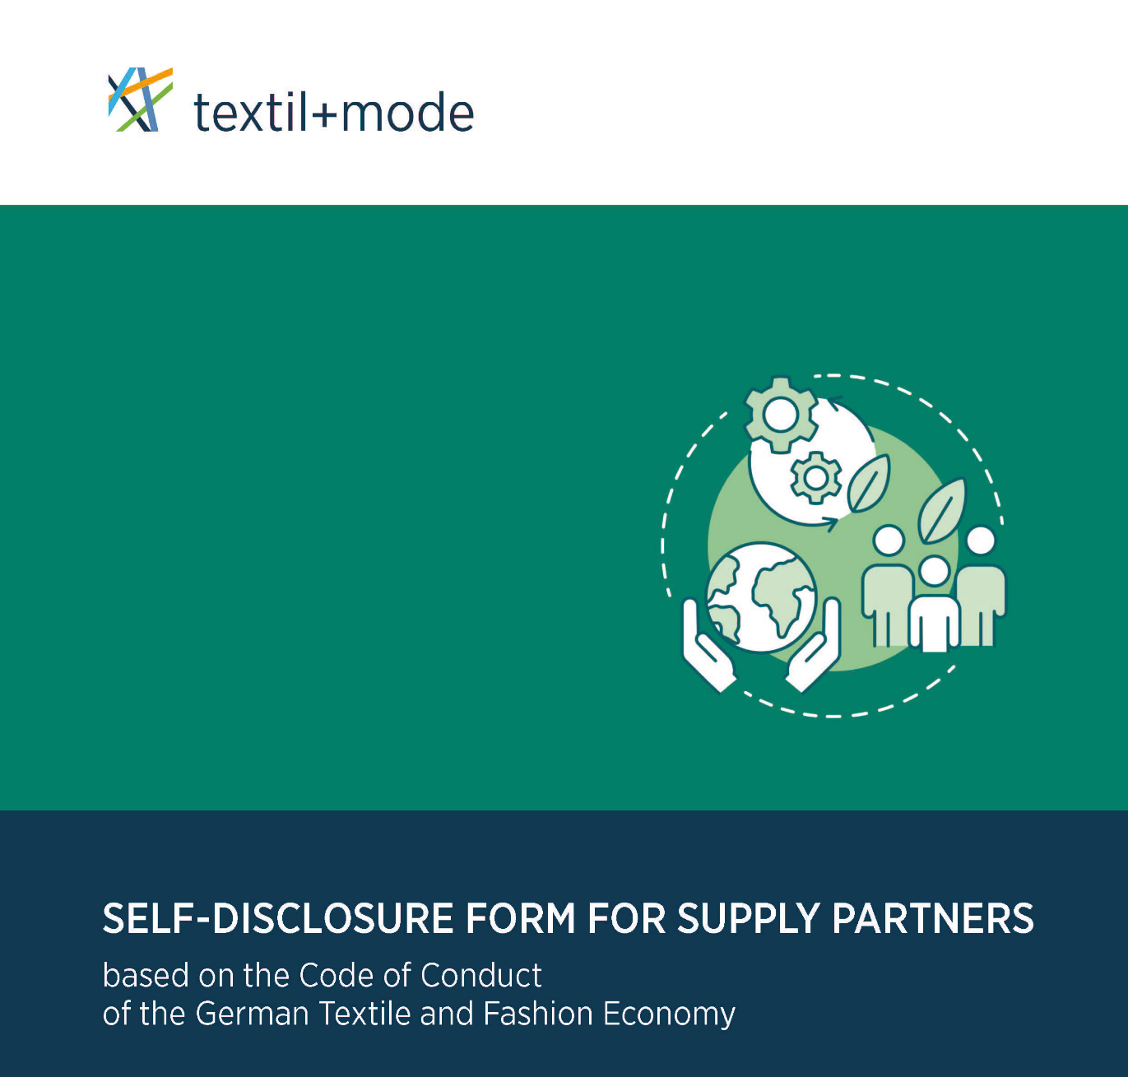

This self-disclosure form for supply partners was drafted on the basis of the Code of Conduct of the German Textile and Fashion Economy and shall serve as an accompanying instrument to support companies in implementing the requirements of this code.

For more information please read the questions and answers provided on the sheet "Background Information" or read the comments/explanatory notes to the respective questions in this supplier questionnaire.
Please note: An auto-generated summary of the data and information indicated in this self-disclosure is provided on the sheet "Summary".

Contact:
Confederation of the German Textile and Fashion Industry (textil+mode)
Reinhardtstrasse 14 - 16
10117 Berlin
info@textil-mode.de
www.textil-mode.de

Version: 1.0 (December 2022)
© Confederation of the German Textile and
Fashion Industry (textil+mode), 2022
Unit Legal & Tax Affairs
Batzorig Daarten

EZ/AV/IN/CH/KA/07/09

Background Information
Self-Disclosure Form for Supply Partners
Based on the Code of Conduct of the German Textile and Fashion Economy
_________________________________________________________________________
Background Information
Below you will find key background information on the self-disclosure form and the Code of Conduct of the German Textile and Fashion Economy (FAQ):
What is the Code of Conduct of the German Textile and Fashion Economy (Code of Conduct)?
The Code of Conduct is a joint non-binding recommendation by the Confederation of the German Textile and Fashion Industry (textil+mode) and the German Retail Federation (HDE) and is designed to promote a shared basic understanding of socially responsible corporate governance in the German textile and fashion industry and contribute to fair and economically, socially and environmentally sustainable supply chains in the sectors.
The contents of the Code of Conduct are based on internationally established standards such as the frameworks of the United Nations, the ILO and the OECD and on other (legal and non-legal) standards recognised and practiced in the German textile and fashion industry, with special consideration for the concerns of small and medium-sized enterprises.
This includes in particular the following social, environmental and ethical standards:
Human rights and labour standards (social standards): respect for internationally recognised human rights and labour standards, in particular:
Prohibition of child labour and protection of young workers
Prohibition of forced or compulsory labour
Prohibition of discrimination in employment
Respect for freedom of association and assembly
Health and safety at work
Environmental responsibility (environmental standards): compliance with applicable legal requirements and recognised standards for environmental and climate protection, in particular:
Measures to continuously improve environmental and climate performances, including energy efficiency
Respect for the principles of animal welfare and the conservation of biological diversity
Ethical business and compliance (ethical standards): commitment to and orientation of entrepreneurial actions towards generally recognised ethical values and principles, including compliance with applicable laws and other rules that are binding for the company (compliance), in particular:
Prevention of corruption and bribery
Compliance with trade control regulations (especially export/import control laws, including economic sanctions).
Prevention of money laundering
Commitment to fair competition (compliance with antitrust law and the law on fair trading practices)
Protection of and respect for personal data, trade secrets and intellectual property rights
Consumer interests, including product safety
The Code of Conduct also contains the expectation that supply partners should orient themselves towards the contents of the Code of Conduct or apply other guidelines that contain comparable requirements and make appropriate efforts to implement them. This also includes that the supply partner in turn calls upon their contractual partners to comply with this expectation.
What are the advantages of the self-disclosure form?
Companies that apply the Code of Conduct have entered into a voluntary commitment to identify their supply partners and verify their compliance with the expectations set out in the Code of Conduct. This model self-disclosure form is designed to support companies in this process by asking for the relevant information.
The Code of Conduct is based on (sustainability) standards that are recognised and practiced in the German textile and fashion industry, including requirements arising from legal regulations (e. g. the German Act on Corporate Due Diligence Obligations in Supply Chains – LkSG) or from social and political expectations such as the United Nations Guiding Principles on Business and Human Rights. Therefore, this self-disclosure form can also be used as a tool for self-assessment or as a benchmark to compare the status of the company's own efforts to implement these standards. It can also be shared in advance with the prospective contractual partner to facilitate and accelerate business transactions.
What particular attention does need to be paid to when asking supply partners to fill out this self-disclosure form?
Requesting supply partners for information should always be in a reasonable manner and on the basis of a risk assessment. In this regard, this self-disclosure form does not contain any specifications for evaluating the information provided by the supplier. This evaluation is the sole responsibility of the company requesting the self-disclosure, taking into account the company's own individual risk assessment.
In general, socially responsible corporate governance is based on voluntary commitment and sustainable, long-term goals and processes. Against this background, this self-disclosure form should neither be construed nor used as a means of exerting pressure or imposing penalties. Rather, it should help to elicit true information and asses the status of the supply partner's social, ecological and ethical responsibility. Any deficits should be identified and internalised primarily as an incentive for (possible shared) efforts to improve. This applies in particular to small and medium-sized business partners.
Who is permitted to use the self-disclosure form?
The self-disclosure form (original language version: German) and the English language version here are free to use by all companies.
Is the self-disclosure subject to updates?
The self-disclosure form will be reviewed on a regular basis and amended if necessary, i.e. to adapt to new legal situations or to reflect other relevant developments in the German textile and fashion industry.

Start

